Title_page
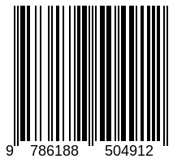

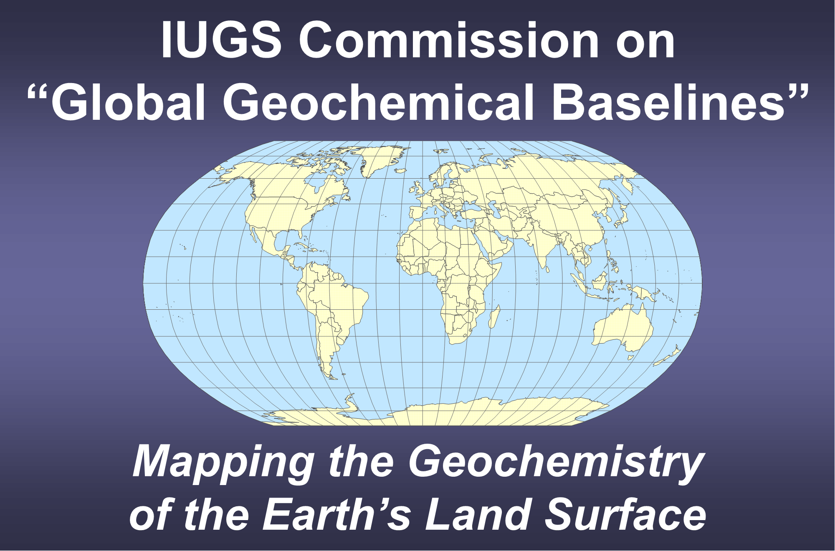

 |  |  | Chapter 7

 |  |  | Quality Control Procedures

 |  |  | Alecos Demetriades1,4, Christopher C. Johnson2,4 and Ariadne Argyraki3,4

 | 1 Institute of Geology and Mineral Exploration, Athens, Hellas
 | 2 GeoElementary, Derby, United Kingdom
 | 3 Department of Geology and Geoenvironment, National and Kapodistrian University of Athens, Athens, Hellas
 | 4 IUGS Commission on Global Geochemical Baselines

FOREGS Topsoil QC XRF data for use in DUPREPPLOT & PDLPRECIS

 |  |  | 2022
 |  | Published by
 |  | The International Union of Geological Sciences
 |  | Commission on Global Geochemical Baselines
 |  | Athens, Hellenic Republic

http://www.iugs.org/
http://www.globalgeochemicalbaselines.eu/

National Library of Greece Cataloguing in Publication Data
A catalogue record for this electronic book is available from the
National Library of Greece

ISBN: 978-618-85049-1-2

