Title_page
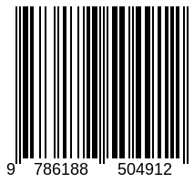

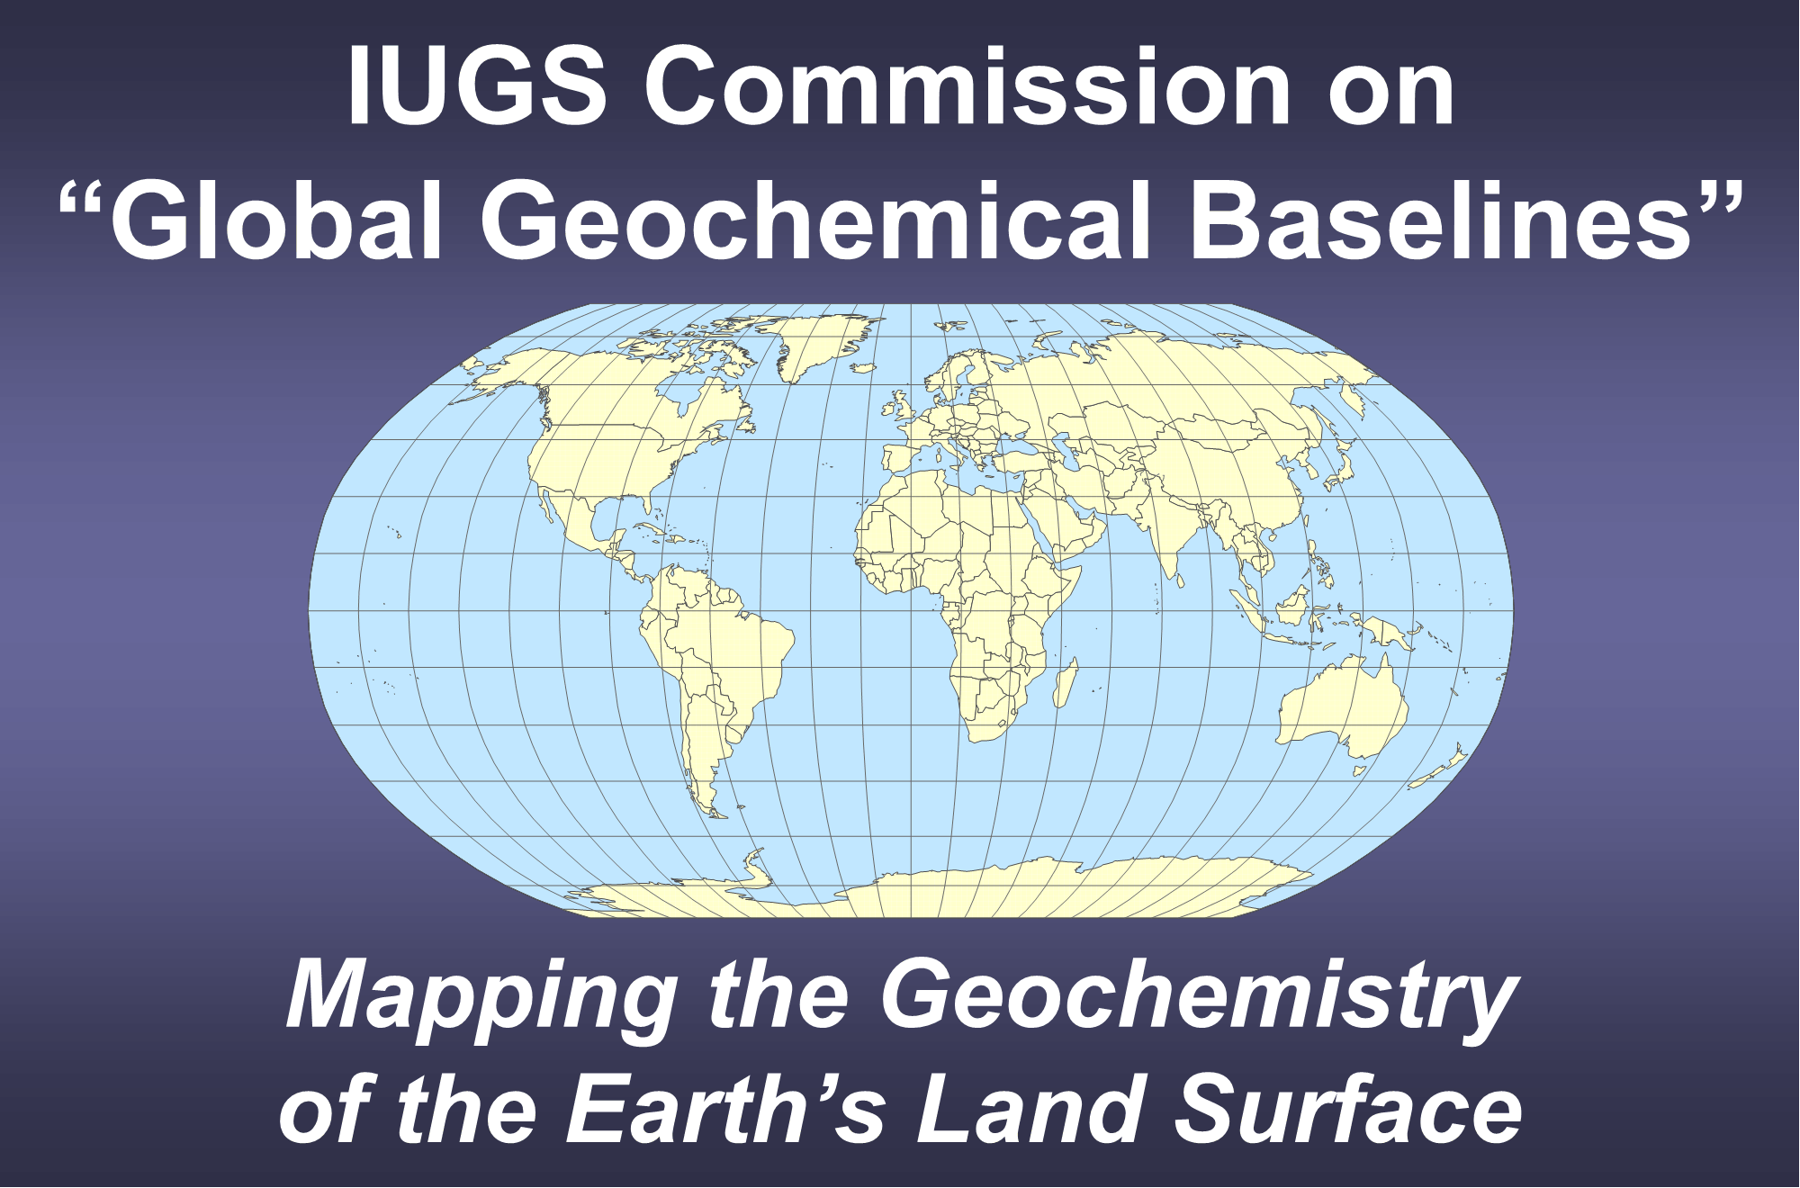

 |  |  |  | Chapter 7

 |  |  |  | Quality Control Procedures

 |  |  |  | Alecos Demetriades1,4, Christopher C. Johnson2,4 and Ariadne Argyraki3,4

 |  | 1 Institute of Geology and Mineral Exploration, Athens, Hellenic Republic
 |  | 2 GeoElementary, Derby, United Kingdom
 |  | 3 Department of Geology and Geoenvironment, National and Kapodistrian University of Athens, Athens, Hellenic Republic
 |  | 4 IUGS Commission on Global Geochemical Baselines

 | Example of expanded uncertainty factor (Section §7.4.3.1.1 and Tables 7.4 & 7.5)

If this data set is used and then reported in a published paper or report the following reference should be cited:
Salminen, R., Batista, M.J., Bidovec, M., Demetriades, A., De Vivo, B., De Vos, W., Duris, M., Gilucis, A., Gregorauskiene, V., Halamic, J., Heitzmann, P., Lima, A., Jordan, G., Klaver, G., Klein, P., Lis, J., Locutura, J., Marsina, K., Mazreku, A., O’Connor, P.J., Olsson, S.Å., Ottesen, R.T., Petersell, V., Plant, J.A., Reeder, S., Salpeteur, I., Sandström, H., Siewers, U., Steenfelt, A. & Tarvainen, T., 2005. FOREGS Geochemical Atlas of Europe, Part 1: Background Information, Methodology and Maps. Geological Survey of Finland, Espoo, 526 pp.; http://weppi.gtk.fi/publ/foregsatlas/.

 |  |  |  | 2022
 |  |  | Published by
 |  |  | The International Union of Geological Sciences
 |  |  | Commission on Global Geochemical Baselines
 |  |  | Athens, Hellenic Republic

http://www.iugs.org/
http://www.globalgeochemicalbaselines.eu/

National Library of Greece Cataloguing in Publication Data
A catalogue record for this electronic book is available from the
National Library of Greece

ISBN: 978-618-85049-1-2

